Úvod
 |  | Next>

 | Cover cap configurator


Version 1.03

Config
 |  |  |  |  | Introduction

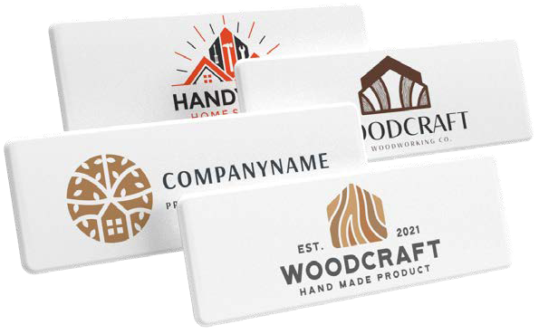
 | Brand of a cover cap
 | Cover cap for
 | Cover cap article Nr. and title |  |  | #N/A
#N/A | Please note – the cover cap in the order is not symmetrical; please, attach a drawing of the cover cap.
 | Quantity (min. 50 pcs) |  | pcs
 | Number of logo colours (1-4)
 | Fill in Pantone colours

 | Total price of printed cover caps | FALSE | EUR
 | Price for 1 printed cover cap | #DIV/0! | EUR

 | The price shown above is final; no discounts can be applied. Shown prices are excluding VAT!

 | The order must include the logo graphic file in vector format and defined colours according to the Pantone colour guide.
 |  |  |  |  | <Back
 | Send the filled out form to export@demos-trade.com

