Hlavní


 | Order form for aluminum tables




 |  | Guide | Order

Prices are valid from 1.1.2022 / Version 22.1

50x50
 |  | 50 x 50 mm |  |  |  | Main page

 |  |  |  |  |  | Back to profile selection

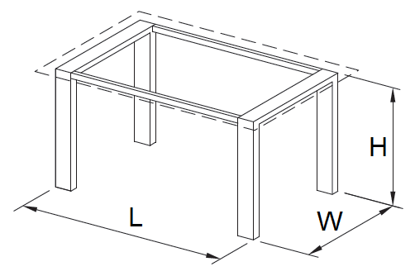

A - suitable for wooden boards | B - suitable for glass plate |  | C - the table top is inserted

Discount

Length (L)

Width (W)

Height (H)

Surface finish

Glider type

Type of foot connection

Quantity

 |  | Price calculation
 |  |  |  | Without VAT | VAT included
 |  | Total basic price |  | 0 Kč | 0 Kč
 |  | Total price after discount |  | 0 Kč | 0 Kč

 |  |  |  |  |  | Summary

