Hlavní
 |  |  |  |  | ENG

 |  |  | Ordering Form - ALU frames



 | Common frames |  |  | Sliding frames

 |  | Glass order



 | LACOBEL and Matelac colors |  |  | Drawings of profiles and connection fittings

Prices are valid from 1.3.2025/Version 5.6

Barevnice
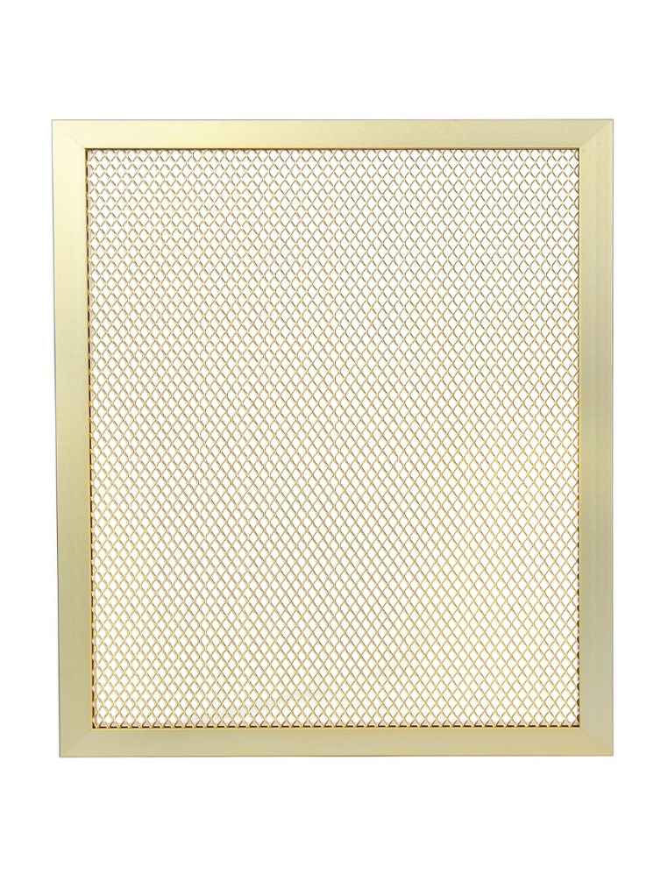
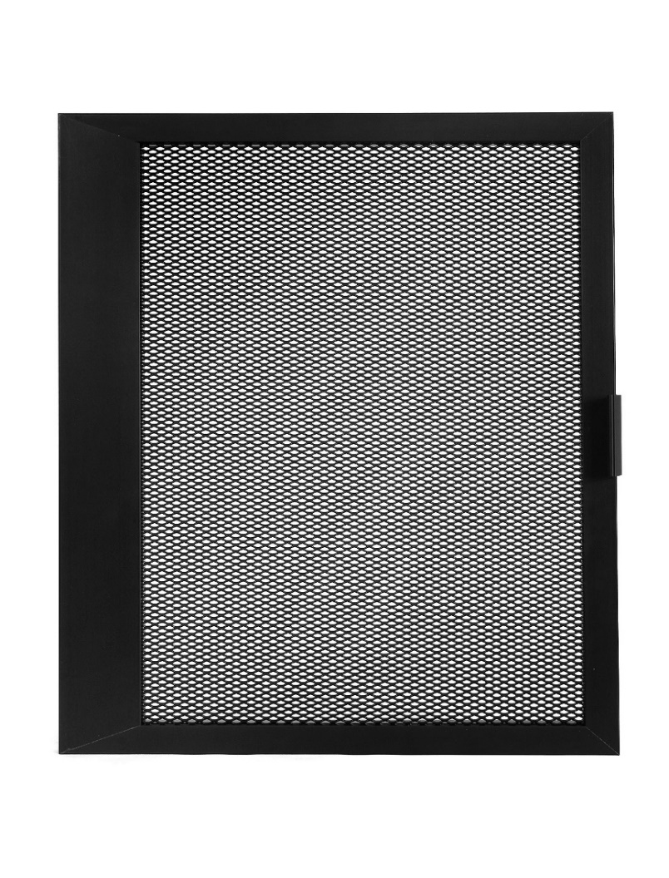
 |  |  |  |  |  |  |  |  | Main page

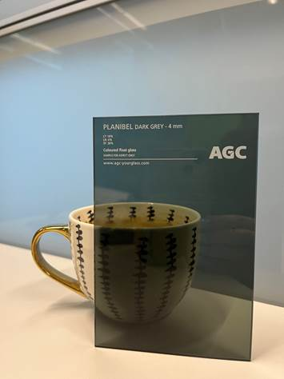

PLANIBEL DARK GREY - substitute Venus VG10

LACOBEL

 | REF 0337 | REF 0627 | RAL 1015 | RAL 9010 | RAL 9007 | REF 1236 | RAL 7035 | RAL 1013

 | RAL 9003 | RAL 9006 | RAL 9005 | REF 1586 | RAL 3004 | RAL 8017 | RAL 0327 | RAL 0128

 | RAL 4006 | RAL 2001 | RAL 1014 | RAL 1435 | RAL 5002 | RAL 1604 | RAL 0667 | RAL 1164

MATELAC

 |  | RAL 9005 | RAL 1586 | RAL 3004 | BRĄZOWY LUSTRO | GRAFITOWY LUSTRO | RAL 9003

mesh frame filler
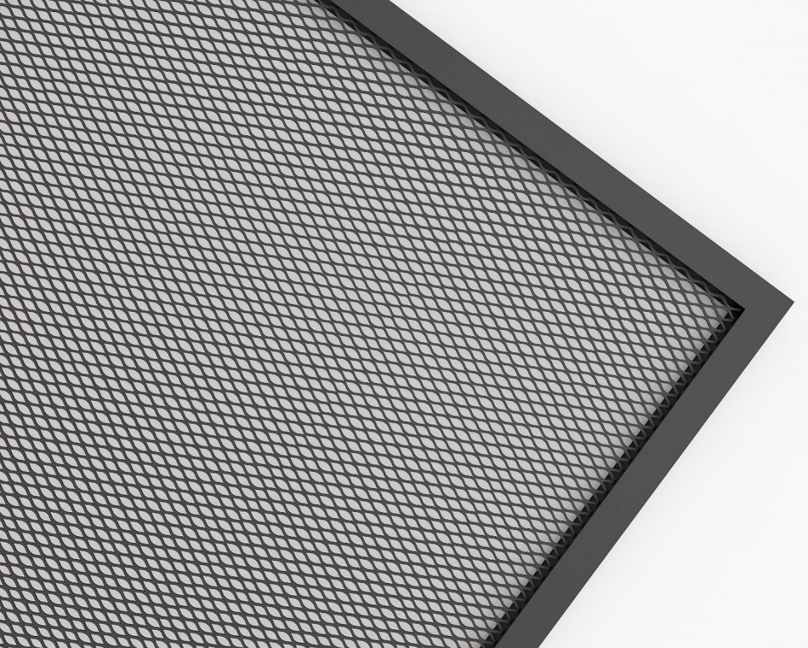

mesh aluminum gold - field 10x6x1 mm - transparency 67%
mesh steel black matt - field 8x4x1 mm - transparency 50%
mesh steel white - field 8x4x1 mm - transparency 50%
mesh anodized - field 10x6x1 mm - transparency 67%

Typy profilů
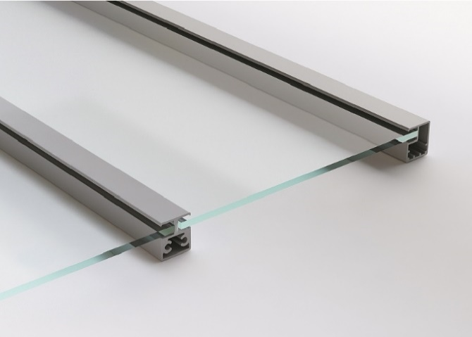
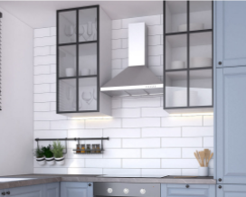
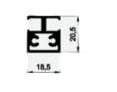
 |  |  | Drawings of profiles and connection fittings |  |  |  | Main page

Narrow ALU Frame |  |  |  |  |  | Profile drawings

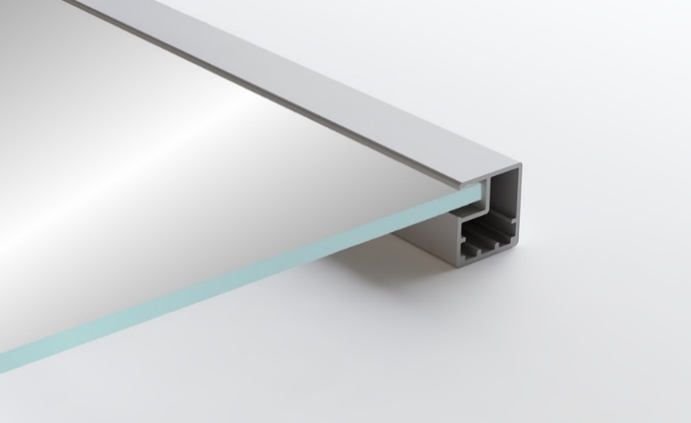
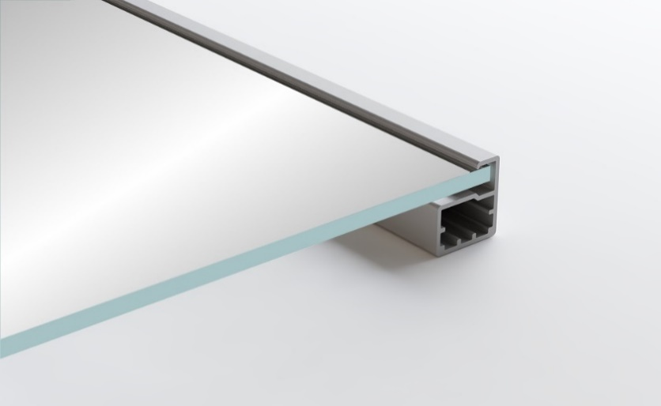
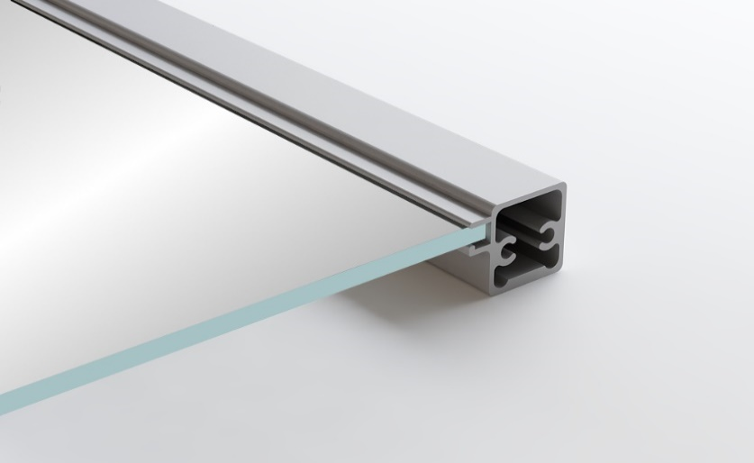
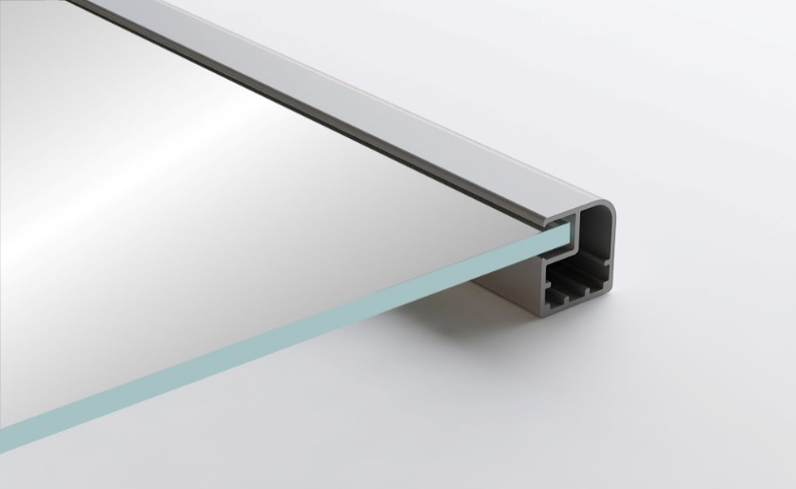
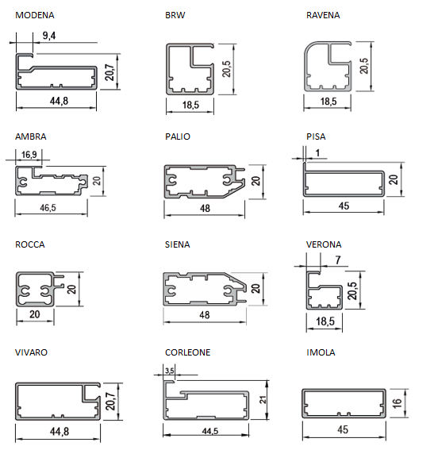
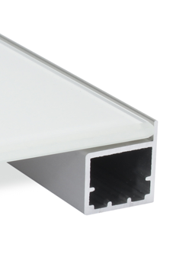

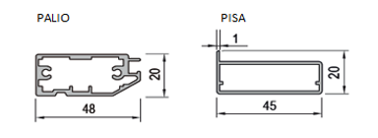
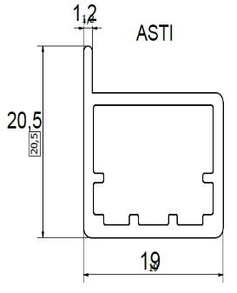

BRW | VERONA | ROCCA |  | RAVENNA | ASTI

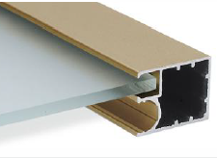
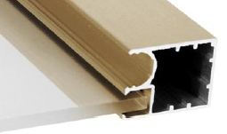

ROMA | ROMA GRIP

Wide ALU Frame
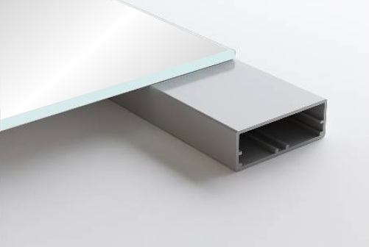
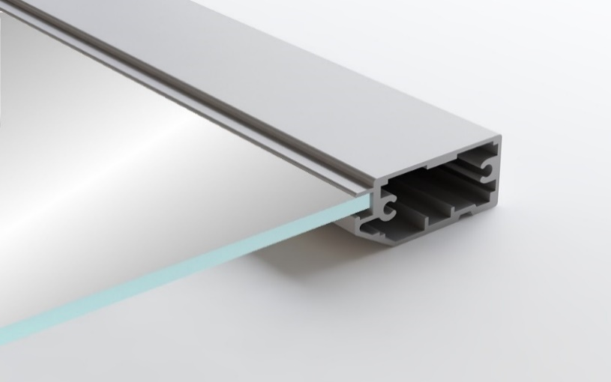

IMOLA | PALIO | MODENA |  | SIENA

 |  |  |  |  |  | Minimum distance of hinge
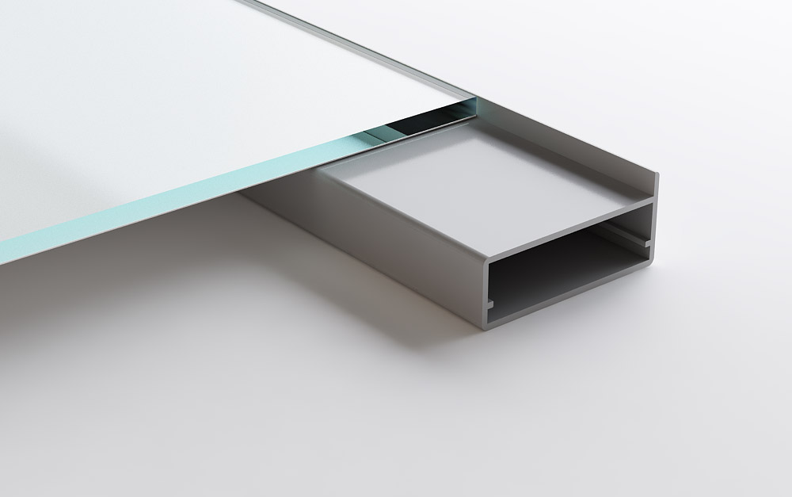
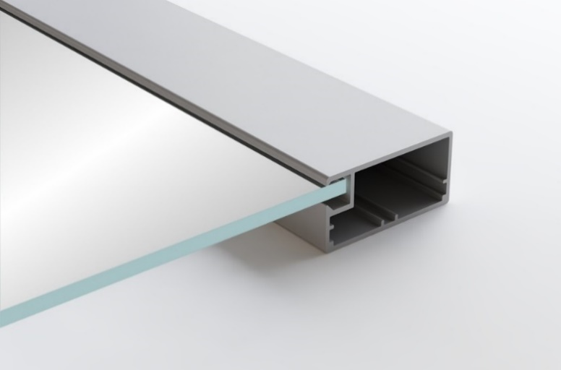
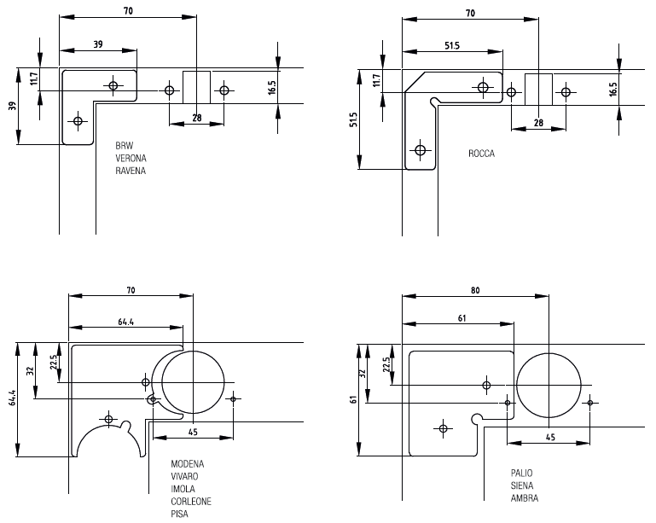

PISA | CORLEONE | VIVARO

Combination of 2 Profiles
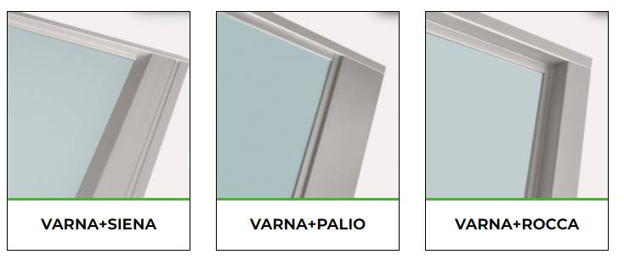

Dividing bars

